Calculator
$Number of (y \& x) Bricks per Ring:$ R
$Number of (y) Bricks per Ring:$ Yy
“In the name of Allah, the Beneficent, the Merciful”
BRICKS CALCULATOR |  |  |  |  |  |  |  |  |  |  |  |  |  |  | Bricks Shape
$Number of (x) Bricks per Ring:$ Xx
$Weight of (y \& x) Bricks per Ring:$ W
$Weight of (y) Bricks per Ring:$ WY
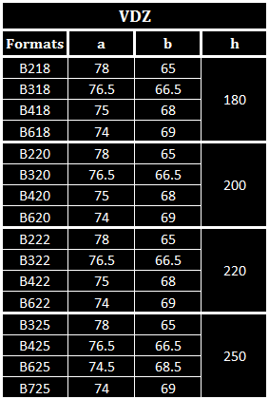
b2
y
a2
$Weight of (x) Bricks per Ring:$ WX
b1
x
a1
$Number of \left(y \& x\right)Bricks per \left[L\right] meters:$Z
#. Calculating the Required Number of Bricks
 | 0 | mm | mm |  | 0 | mm
 |  |  | 0
$Number of \left(y \right)Bricks per \left[L\right] meters:$Zy

$Number of \left(x\right)Bricks per \left[L\right] meters:$Zx
$Weight of \left(y \& x\right)Bricks per \left[L\right] meters:$ WZ

$Weight of \left(y\right)Bricks per \left[L\right] meters:$ WZy
$Weight of \left(y\right)Bricks per \left[L\right] meters:$ WZx

 |  | h |  | Y

 |  |  |  |  |  |  |  |  |  | Yy | #DIV/0! | Zy | #DIV/0!

 |  |  |  |  |  |  |  |  |  | Xx | #DIV/0! | Zx | #DIV/0!

 |  |  |  |  |  |  |  |  |  | R | #DIV/0! | Z | #DIV/0!

 |  |  |  |  |  |  |  |  |  | Wy | #DIV/0! | Wzy | #DIV/0!
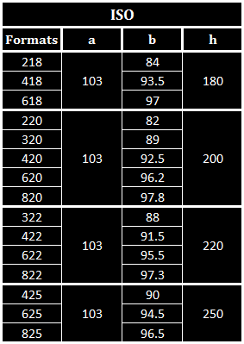
0 |  |  | mm | 0 |  |  | mm |  |  | Wx | #DIV/0! | Wzx | #DIV/0!

Length of lining area [L] |  |  |  |  |  |  |  |  |  | W | #DIV/0! | WZ | #DIV/0!
0 |  |  | m | Weight of (x) & (y) brick
 |  |  | mm |  |  |  |  |  |  | ** Remarks:
 |  |  | 0 | Diameter [Ø]
Z
 |  |  |  |  |  |  |  |  |  | * Fill only the yellow cells
y
a2
y
a2
 |  |  |  |  |  |  |  |  |  | * Consdier an error of ±1 brick per ring
 |  |  |  |  |  |  |  |  |  | * All bricks weight are in kilograms

 |  |  |  |  |  |  |  |  |  |  | qatar.cement@yahoo.com
 |  |  |  |  | 0 | Kg |  | 0 | Kg
 |  |  |  |  |  |  |  |  |  |  | Nael Shabana

BRICKS CALCULATOR
#. Calculating the Length of Lining with known (x) & (y) Bricks Quantities

$Quantity of \left(y\right) Bricks:$ Qy
$Quantity of \left(x\right) Bricks:$ Qx
b1
x
a1
b2
y
a2
$Length of Lining per \left(y\right) Bricks Quantity:$ Ly
 | 0 | mm | mm |  | 0 | mm
 |  |  | 0
$Length of Lining per \left(x\right) Bricks Quantity:$ Lx

 |  |  |  |  |  |  |  |  |  | Ly |  | #DIV/0! |  | meters

 |  |  |  |  |  |  |  |  |  | Lx |  | #DIV/0! |  | meters

y
a2
y
a2
y
a2
 |  |  |  |  |  |  |  |  | Qy
 |  |  |  |  |  |  |  |  |  |  |  | 0

y
a2
y
a2
y
a2
 |  |  |  |  |  |  |  |  |  | Qx
0 |  |  | mm | 0 |  |  | mm |  |  |  |  | 0

y
a2
y
a2
y
a2
 |  |  | 0 | Diameter [Ø]

y
a2
y
a2
y
a2
y
a2
y
a2

 |  |  |  |  |  |  |  |  |  |  |  | qatar.cement@yahoo.com

 |  |  |  |  |  |  |  |  |  |  |  | Nael Shabana

